Chipcounts
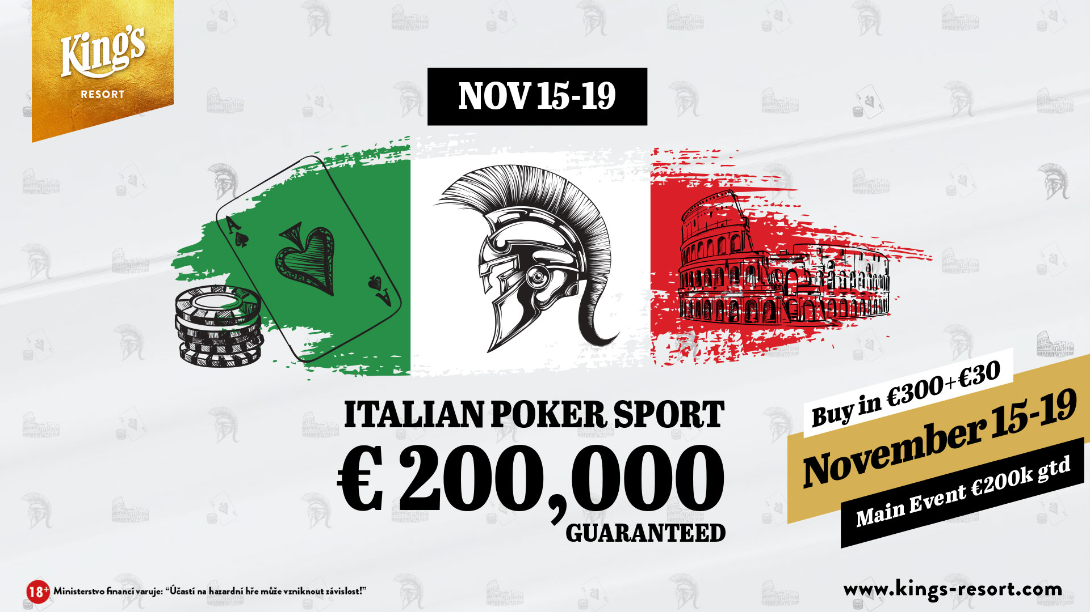

King’s Resort
Chipcounts Italian Poker Sport - Day 1D
Date: |  | November 15 - 19 | Players: | 111
Buy-In: |  | € 300 | Re-Entries: | 35
Consumption fee: |  | € 30 | Rebuys: | 0
Prize Pool GTD |  | € 200,000 | Add-Ons: | 0
Starting Stack: |  | 50,000 | Level min.: | 40 min.
Entries total: |  | 493 | Players left: | 100

Pos | First Name | Last Name | Country | Chipcount
 | Herwig | Krawinkler | Austria | 826000
 | Ludek | Figr | Czech Republic | 595000
 | Tareq Ahmad | Ahmad Yar | Germany | 458000
 | Jan | Cerny | Czech Republic | 304000
 | Francesco | Lauria | Italy | 300000
 | Nicola | Loperfido | Italy | 257000
 | Rastislav | Paleta | Czech Republic | 239000
 | Waldemar | Eckstein | Germany | 238000
 | Manfred | Seitz | Germany | 235000
 |  | BOLEK | Germany | 233000
 | Enza | Mercurio | Italy | 223000
 | Damian Janusz | Plank | Germany | 214000
 | Danilo | Scevola | Italy | 200000
 | Ivo | Donev | Austria | 190000
 |  | Longfuzius | Germany | 187000
 | Ernst | Huber | Germany | 187000
 | Gianluca | Marini | Italy | 174000
 | Marius | Graczyk | Belgium | 169000
 | Thomas | Weis | Germany | 163000
 | Piotr | Sadowski | Poland | 157000
 | Aldo | Segantini | Czech Republic | 157000
 |  | Dr.Hellas | Germany | 154000
 | Stefan Andreas | Ulrich | Germany | 141000
 | Michael Heinz | Broschek | Germany | 136000
 |  | SVARAS | Lithuania | 130000
 |  | ESTEBAN | Germany | 125000
 |  | Mr.Bond | Germany | 120000
 | Christoph | Grabner | Austria | 119000
 | Tolga Can | Kiyak | Germany | 112000
 | Ralph | Dittmar | Germany | 109000
 | Robert | Kupka | Czech Republic | 92000
 | Theodore Chayatit | Pillet | Switzerland | 88000
 | Audrius | Laimelis | Lithuania | 82000
 | Vincenzo | Popolizio | Italy | 80000
 | Jiri | Najman | Czech Republic | 67000
 | Dieter | Christmann | Germany | 42000

