Chipcounts
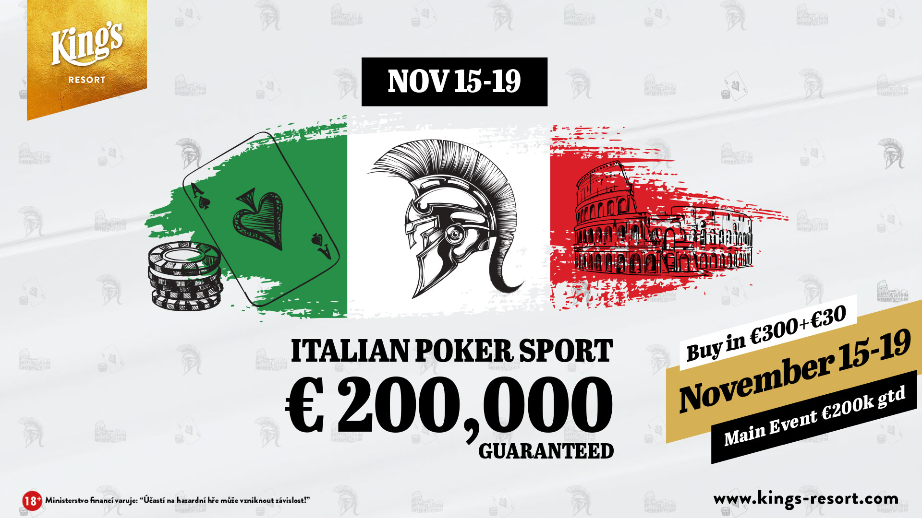

King’s Resort
Chipcounts Italian Poker Sport - Day 1C
Date: |  | November 15 - 19 | Players: | 144
Buy-In: |  | € 300 | Re-Entries: | 50
Consumption fee: |  | € 30 | Rebuys: | 0
Prize Pool GTD |  | € 200,000 | Add-Ons: | 0
Starting Stack: |  | 50,000 | Level min.: | 40 min.
Entries total: |  | 347 | Players left: | 64

Pos | First Name | Last Name | Country | Chipcount
 | Elena | Litvinyuk | Russian Federation | 518000
 | Giorgi | Mevlupishvili | Georgia | 511000
 | Josef | Gulas | Czech Republic | 469000
 | Nicholas | Hille | Germany | 442000
 | Giuseppe | Rago | Italy | 440000
 | Yury | Akulenka | Belarus | 437000
 | Carmine | Masci Ai E | Italy | 412000
 | Vilius | Zamzickas | Lithuania | 406000
 | Tobias Aljoscha | Matuschek | Germany | 390000
 | Petr | Subik | Czech Republic | 361000
 | Igor | Salomasov | Russian Federation | 326000
 | Daniel Simon | Ortlieb | Germany | 317000
 | Stefano | Destro | Italy | 303000
 | Christoph | Hammerlitz | Austria | 291000
 | Vincenzo | Bortone | Antigua and Barbuda | 277000
 |  | TOBI | Germany | 275000
 | Roland Ernst | Reuter | Germany | 274000
 | Paolo | Palmisano | Italy | 265000
 | Aldo | Cerutti | Italy | 259000
 | Baktasch | Safi | Germany | 253000
 | Alessandro | Lorusso | Germany | 232000
 | Pasquale | Mancini | Italy | 216000
 | Oldrich | Travnicek | Czech Republic | 204000
 | Damiano | Petrara I | Italy | 202000
 | Roberto | Napoli | Italy | 191000
 | Giuseppe | Morelli | Italy | 187000
 | Tobias Josef | Singhammer | Germany | 187000
 |  | 4LNX | Germany | 144000
 | Michael Yves A | Van Der Ghinst | Belgium | 135000
 |  | Insomnia | Germany | 134000
 |  | ANTIFRAGIL | Germany | 129000
 | Nesrin | Can | Turkey | 120000
 | Klaus | Schiefer | Germany | 115000
 | Heiko | Moll | Germany | 115000
 | Nils Enno | Evers | Germany | 104000
 | Carmine | Giaroullo | Italy | 56000

