Chipcounts
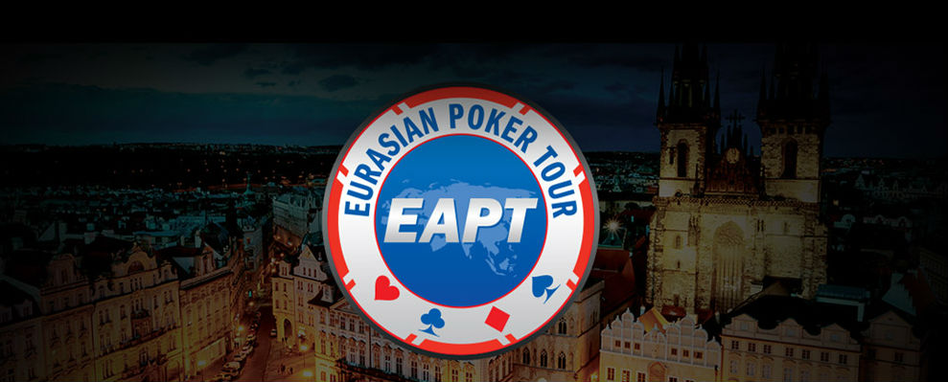

partypoker EAPT Prague
Main Event
Date: |  | December 9 - 13 | Players: | 109
Buy-In: |  | € 1,000 | Re-Entries: | 0 | Flight | 1A | 1B | 2 | Total
Consumption fee: |  | € 100 | Rebuys: | 0 | Players | 109 |  |  | 109
Prize Pool GTD |  | € 500,000 | Add-Ons: | 0 | Re-Entries | 0 |  |  | 0 | 109
Starting Stack: |  | 100,000 | Leveltime: | 60 min | Day 2 | 59 |  |  | 59
Entries total: |  | 109 | Players left | 59

Pos | First Name | Last Name | Country | Chipcount
1 | FAYEEL | MUNAVAR | CANADA | 469,400
2 | FILATOV | ANATOLIY | RUSSIA | 396,000
3 | GREENBLATT | ALEXANDER JOSEPH |  | 373,000
4 | GAVRISH | PAVEL | RUSSIA | 367,500
5 | SNEJBERG | JOSEF | CZ | 360,000
6 | MIAKISHEV | ILIA | RUSSIA | 337,300
7 | TIKHONOV | VLADIMIR | RUSSIA | 331,300
8 | SITNIKOV | VLADIMIR | RUSSIA | 307,200
9 | ALEXANDROV | DENIS | RUSSIA | 306,000
10 | PANKA | DOMINIK MACEJ | POLAND | 278,400
11 | ALEXANDRIDIS | SYMEON | GREECE | 267,100
12 | HANEL | JAROMIR | CZ | 245,500
13 | RANN | JAMES PAUL | UK | 243,000
14 | YURY | GULYY | RUSSIA | 241,700
15 | CHMIEL | TOMASZ ALEKSANDER | POLAND | 237,900
16 | YAKUBA | ANTON |  | 237,100
17 | TZELILI | ALEX | GREECE | 235,000
18 | STOLLER | MARTIN | GERMANY | 232,000
19 | NOVOSELOV | VIACHESLAV | RUSSIA | 217,400
20 | TREMOLADA | MAURO | ITALY | 217,100
21 | GARDNER | ANTHONY | UK | 216,000
22 | KRATOCHVIL | KAREL | CZ | 207,900
23 | GOLUBEV | ANDREY | RUSSIA | 205,400
24 | JANEK | MIROSLAV |  | 178,800
25 | RANDALL | SEAN BENEDICT |  | 175,600
26 | TERPELYUK | GRYGORY |  | 174,800
27 | ZUEV | PAVEL |  | 174,000
28 | BLANCO MUNOZ | JOKIN | ESP | 168,900
29 | ANDONOV | MILAN | SRB | 161,700
30 | CIKLAMINI | PATRIK | SLOVAKIA | 160,400
31 | LOUIS | YANNICK |  | 156,200
32 | KHATSKEVICH | MARYNA |  | 152,800
33 | STOJANOVIC | VLADA | SERBIA | 148,600
34 | SFAKIANAKIS | DIMITRIOS | GREECE | 145,300
35 | SHUVALOV | ALEKSANDR | RUSSIA | 140,000
36 | YANTSEVICH | VALERY | BLR | 138,600
37 | PREHM | OSKAR | GERMANY | 138,300
38 | DOBRYAKOV | DIMITRY | KAZ | 138,000
39 | PALYUGA | ANDRIY | CZ | 137,700
40 | TARANOVA | VICTORIYA | RUSSIA | 132,700
41 | LAVROV | MAKSYM |  | 127,100
42 | SAPITAVICIUS | ARUNAS |  | 124,700
43 | AGHAYAN | NORAYR |  | 115,500
44 | HEGELE | ROBIN | AUSTRIA | 112,500
45 | VITKIND | DMITRY | RUSSIA | 112,300
46 | XANTHOPOULOS | CHRISTOS | GREECE | 108,800
47 | LAMPRECHT | BENJAMIN | AUSTRIA | 104,300
48 | HALME | ANTTI |  | 93,900
49 | KUBICKY | LUKASZ | CZ | 93,200
50 | KUZ | ROMAN |  | 90,300
51 | LAKHOV | ALEXANDER | RUSSIA | 89,300
52 | DESSET | ANDREY | SLOVAKIA | 86,900
53 | SINDELAR | MAREK |  | 85,600
54 | MIHELSONS | DAVID | LTV | 81,200
55 | SEMIN | MIKHSIL |  | 70,700
56 | SAMOSUDOV | PAVEL | RUSSIA | 62,100
57 | KLEJNOWSKI | PRZEMYSKAW | POLAND | 51,400
58 | CRHA | RENE | CZ | 49,700
59 | BUZZI | THOMAS | AUSTRIA | 42,400

