Лист1
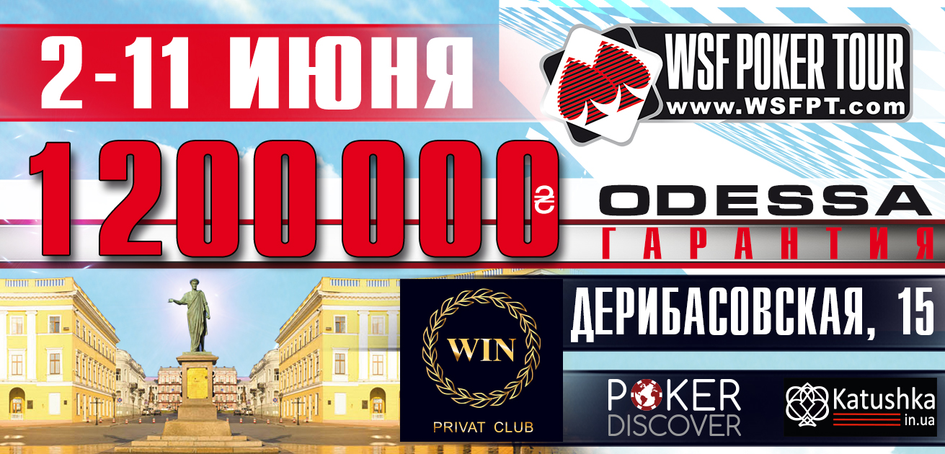

STYLUS 4-7.06
 |  | 250 000 UAH GUARANTEED

Buy-in: 770 UAH (Day 1A) / 770 (Day 1B) / 2200 (Day 2 A+B)
Chips: 15 000 (Day 1A) / 15,000 (Day 1B) / 75,000 (Day 2A+B)
Levels at 30 minutes from Level 1 to Level 10 and 45 minutes thereafter.

LEVEL | SMALL BLIND | BIG BLIND | ANTE
1 | 25 | 50
2 | 50 | 100
3 | 75 | 150
BREAK 10 min
4 | 100 | 200
5 | 100 | 200 | 25
6 | 150 | 300 | 25
7 | 200 | 400 | 50
BREAK 10 min
8 | 250 | 500 | 50
9 | 300 | 600 | 75
10 | 350 | 700 | 75
END OF DAY 1
11 | 400 | 800 | 100
12 | 500 | 1000 | 100
13 | 600 | 1200 | 100
14 | 800 | 1600 | 200
BREAK 15 min End of registration
15 | 1000 | 2000 | 200
16 | 1200 | 2400 | 300
17 | 1500 | 3000 | 300
18 | 2000 | 4000 | 400
BREAK 15 min, Chip Up!
19 | 2500 | 5000 | 500
20 | 3000 | 6000 | 500
21 | 3500 | 7000 | 500
22 | 4000 | 8000 | 1000
END OF DAY 2
23 | 5000 | 10000 | 1000
23 | 6000 | 12000 | 1000
24 | 7000 | 14000 | 1000
25 | 8000 | 16000 | 2000
BREAK 10 min
26 | 10000 | 20000 | 2000
27 | 12000 | 24000 | 2000
28 | 15000 | 30000 | 3000
29 | 20000 | 40000 | 4000
BREAK 10 min
30 | 25000 | 50000 | 5000
31 | 30000 | 60000 | 5000

* The WSF Poker Tour Management reserves the right to alter the tournament structure at it's discretion.

