Лист1
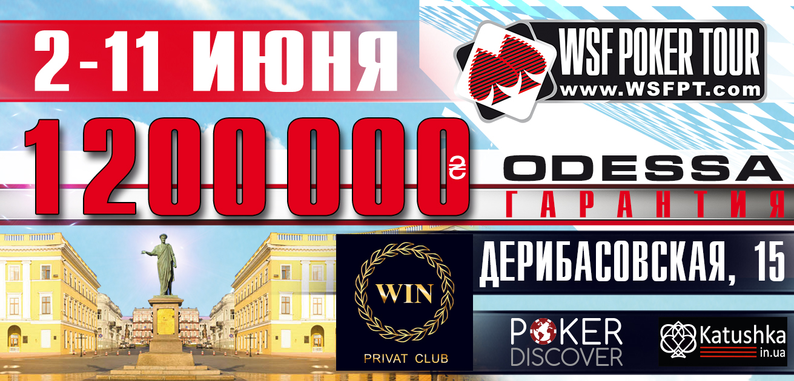

Good Luck Bounty 7-8.06 |  |  | 19:00:00
 |  | 100 000 UAH GUARANTEED total

Buy-in: 2200 UAH, Bounty 1000 |  | Chips: 25 000
Levels: 30 minutes |  | Late Registration and re-entry 6 levels

LEVEL | SMALL BLIND | BIG BLIND | ANTE
1 | 50 | 100
2 | 75 | 150
3 | 100 | 200
BREAK 15 min
4 | 100 | 200 | 25
5 | 150 | 300 | 25
6 | 200 | 400 | 50
BREAK 15 min
7 | 250 | 500 | 50
8 | 300 | 600 | 75
9 | 400 | 800 | 75
10 | 500 | 1000 | 100
BREAK 15 min
11 | 600 | 1200 | 100
12 | 800 | 1600 | 200
13 | 1000 | 2000 | 200
14 | 1200 | 2400 | 300
END OF DAY 1
15 | 1500 | 3000 | 300
16 | 2000 | 4000 | 400
17 | 2500 | 5000 | 500
18 | 3000 | 6000 | 500
BREAK 15 min
19 | 4000 | 8000 | 1000
20 | 5000 | 10000 | 1000
21 | 6000 | 12000 | 1000
22 | 8000 | 16000 | 2000
BREAK 15 min
23 | 10000 | 20000 | 2000
24 | 12000 | 24000 | 2000
25 | 15000 | 30000 | 3000
26 | 20000 | 40000 | 4000
BREAK 15 min
27 | 25000 | 50000 | 5000
28 | 30000 | 60000 | 5000
29 | 40000 | 80000 | 10000
30 | 50000 | 100000 | 10000

* Management reserves the right to alter the tournament structure at it's discretion.

