Лист1
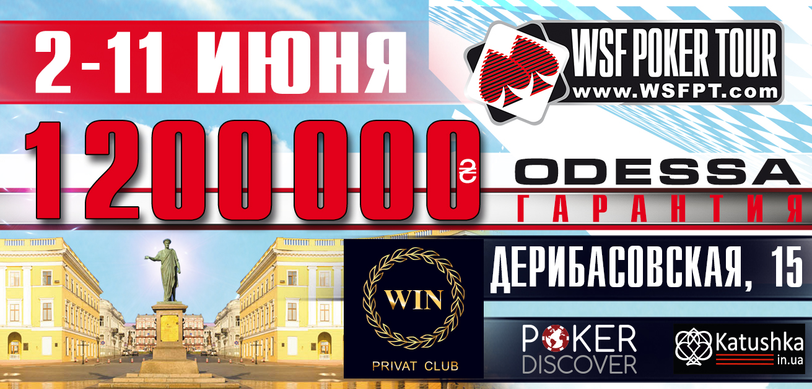

ACCUMULATOR 8-11.06
 |  | 500 000 UAH GUARANTEED

Buy-in: 770 UAH (Day 1) / 2200 (Day 2) / 5500 (Day 3)
Chips: 15 000 (Day 1) / 75,000 (Day 2) / 300,000 (Day 3)
Levels at 30 minutes from Level 1 to Level 24 and 45 minutes thereafter.

LEVEL | SMALL BLIND | BIG BLIND | ANTE
1 | 25 | 25
2 | 25 | 50
3 | 50 | 100
4 | 75 | 150
BREAK 10 min
5 | 100 | 200
6 | 100 | 200 | 25
7 | 150 | 300 | 25
8 | 200 | 400 | 50
BREAK 10 min
9 | 250 | 500 | 50
10 | 300 | 600 | 75
11 | 350 | 700 | 75
BREAK 15 min, Chip Up!
12 | 400 | 800 | 100
END OF DAY 1
13 | 500 | 1000 | 100
14 | 600 | 1200 | 100
15 | 700 | 1400 | 100
16 | 800 | 1600 | 200
BREAK 10 min
17 | 900 | 1800 | 200
18 | 1000 | 2000 | 200
19 | 1200 | 2400 | 300
20 | 1400 | 2800 | 300
BREAK 10 min
21 | 1600 | 3200 | 300
22 | 1900 | 3800 | 400
23 | 2200 | 4400 | 400
BREAK 15 min, Chip Up!
24 | 2500 | 5000 | 500
END OF DAY 2
25 | 3000 | 6000 | 500
26 | 3500 | 7000 | 500
BREAK 10 min
27 | 4000 | 8000 | 1000
28 | 5000 | 10000 | 1000
BREAK 15 min, End of registration
29 | 6000 | 12000 | 1000
30 | 7000 | 14000 | 1000
31 | 8000 | 16000 | 2000
32 | 10000 | 20000 | 2000
BREAK 15 min
33 | 12000 | 24000 | 2000
34 | 15000 | 30000 | 3000
35 | 18000 | 36000 | 4000
36 | 20000 | 40000 | 4000
END OF DAY 3
37 | 25000 | 50000 | 5000
38 | 30000 | 60000 | 5000

* The WSF Poker Tour Management reserves the right to alter the tournament structure at it's discretion.

