Лист1
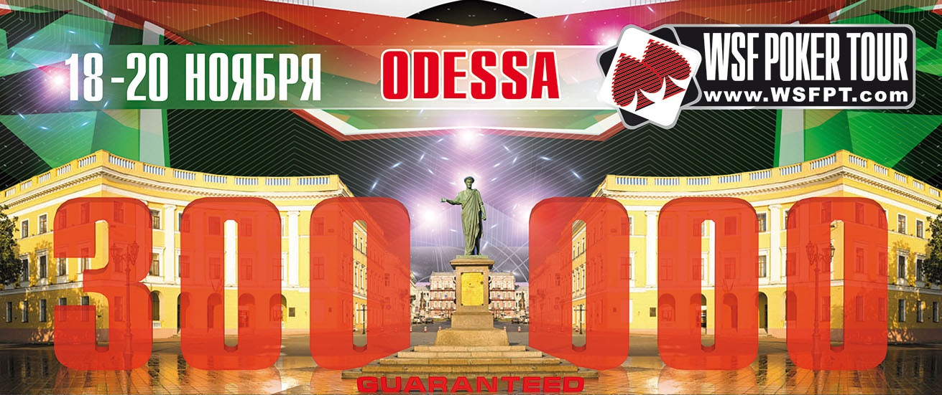

18.11-19.11 QUATRO BOUNTY |  |  | 18:00:00
 |  | 200 000 UAH GUARANTEED total

Buy-in: | Day1: 1200 UAH | Chips: | 15,000
 | Day2: 3500UAH |  | 100,000
Bounty:** | Day1: 300 UAH
 | Day2: 1200 UAH | Late Registration and re-entry 8 levels Day1 and 6 levels Day2

Levels - 30 minutes
LEVEL | SMALL BLIND | BIG BLIND | ANTE
1 | 25 | 50
2 | 50 | 100
3 | 75 | 150
BREAK 15 min
4 | 100 | 200
5 | 150 | 300 | 25
6 | 200 | 400 | 50
BREAK 15 min
7 | 250 | 500 | 50
8 | 300 | 600 | 75
BREAK 15 min
9 | 400 | 800 | 100
10 | 500 | 1000 | 100
BREAK 15 min
11 | 600 | 1200 | 100
12 | 800 | 1600 | 100
BREAK 15 min End of Day1
13 | 1000 | 2000 | 200
14 | 1300 | 2600 | 200
15 | 1600 | 3200 | 300
BREAK 15 min
16 | 2000 | 4000 | 400
17 | 2500 | 5000 | 500
18 | 3000 | 6000 | 500
BREAK 15 min
19 | 3500 | 7000 | 500
20 | 4000 | 8000 | 1000
BREAK 15 min
21 | 5000 | 10000 | 1000
22 | 6000 | 12000 | 1000
BREAK 15 min
23 | 8000 | 16000 | 2000
24 | 10000 | 20000 | 2000
BREAK 15 min End of Day2
25 | 12000 | 24000 | 3000
26 | 15000 | 30000 | 3000
27 | 20000 | 40000 | 4000
BREAK 15 min
28 | 25000 | 50000 | 5000
29 | 30000 | 60000 | 6000
30 | 35000 | 70000 | 7000

* The WSF Poker Tour Management reserves the right to alter the tournament structure at it's discretion.
** After Day1 all players bounty costs 1200 UAH

