stats
Overall

ANTE

STACKSIZE
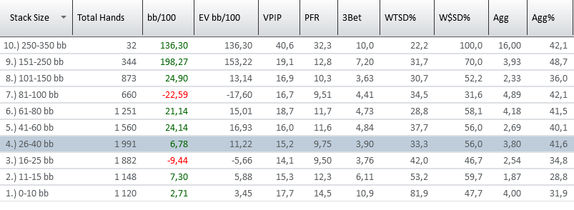

 | ORANGE >40BB

POSITION

